Sheet1
 |  | Document No. | Issue No. | Issue Date |  | Review and Replace Date |  | Authorised By
 |  | GFF113MC | 1 | 23.08.2019 |  | New Issue
 |  | Document Title | CHICKEN TIKKA BITES 1200G
 |  |  | Page 1 of 1 |  | Clause |  | 6.1 | Magda Shah
Document amendments reason for change |  | New product |  |  | Previous Issue Date |  | New Issue | Uncontrolled copy unless signed original

CCHTKB-R1BIK | VICTORIA FUSION |  | CHICKEN TIKKA BITES 120g | CHILLED
STEP 1 |  |  |  |  | STEP 2
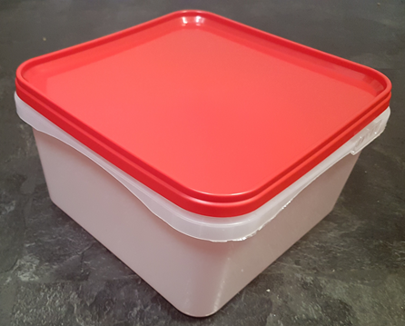 |  |  |  |  | 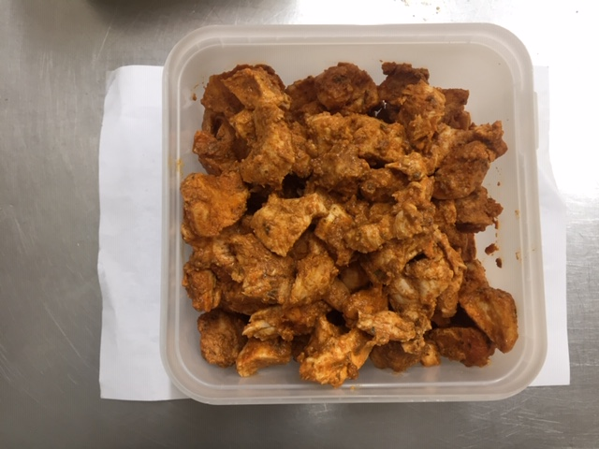

Tray/Lid: SALAD TUB RED LID NATURAL 2.4/4 LTR (PKSHA002-02) |  |  |  |  | CHICKEN TIKKA BITES (GFF 142R) 1200g

ALLERGY ALERT: MILK

